CO2 flows in Scenario 1 and Sce
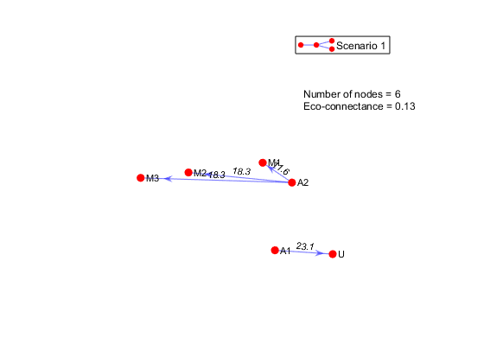
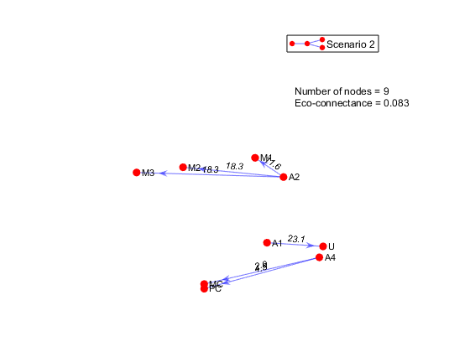

Figure 1. Optimal CO2 flows (kg/h) for Scenario 1 ISN. | Figure 2. Optimal CO2 flows (kg/h) for Scenario 2 ISN.

Water flows in Scenario 1 and S
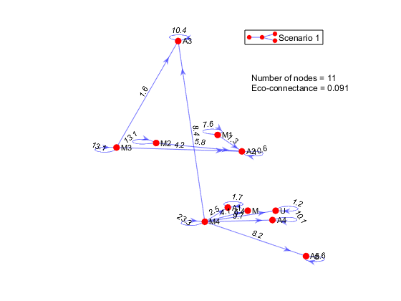
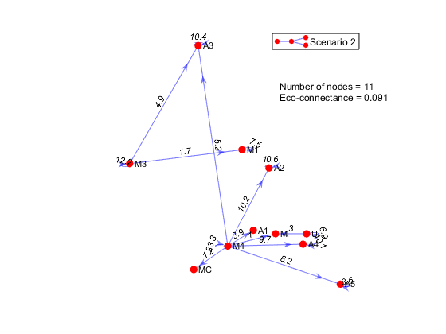

Figure 3. Optimal water flows (kg/h) for Scenario 1 ISN. | Figure 4. Optimal water flows (kg/h) for Scenario 2 ISN.

Total reuse flows in Scenario 1
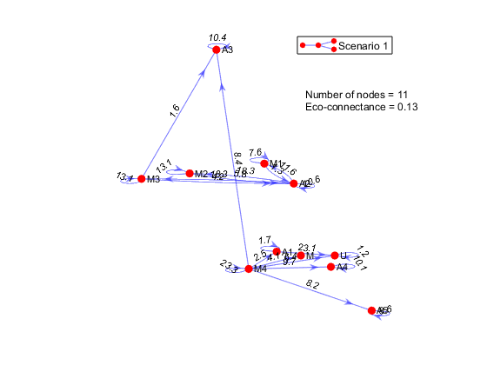
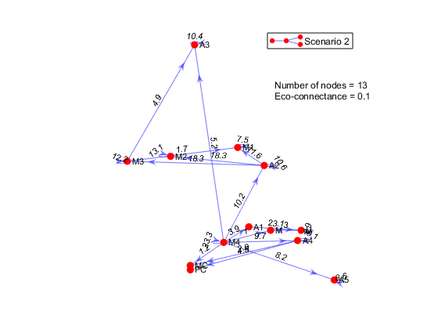

Figure 5. Optimal combined material flows (kg/h) for Scenario 1 ISN. | Figure 6. Optimal combined material flows (kg/h) for Scenario 2 ISN.

